GUIDE
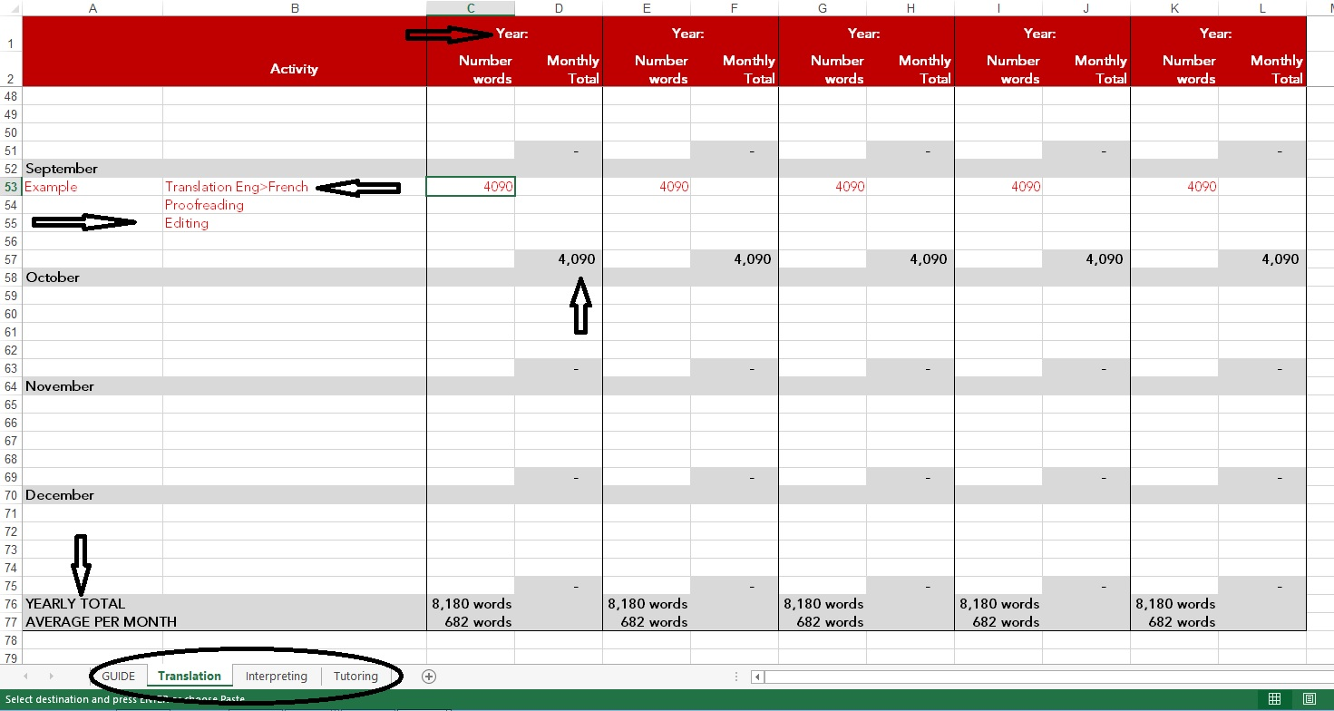
Please read the instructions below before completing this form
Please use the tabs at the bottom of the spreadsheet to log your work as a translator, interpreter or tutor.
Translation section: please provide the word count Interpreting and Tutoring: please provide the number of hours
If you are applying for Chartership, please provide a detailed work breakdown for the past five years.
You can add as many lines as needed.
Please specify the language combination when completing the translation section.
Please do not amend the last two fields (YEARLY TOTAL & AVERAGE PER MONTH) as this will automatically calculate your word and hour count.
Please follow the example in each section, you can delete this once you start to provide information.
Please don’t forget to specify the year; we are assessing your work volume for the most recent years.
Please do not enter any data in the columns for the Monthly total, as this will update automatically.
1

